Screenshot for Tableau Learning
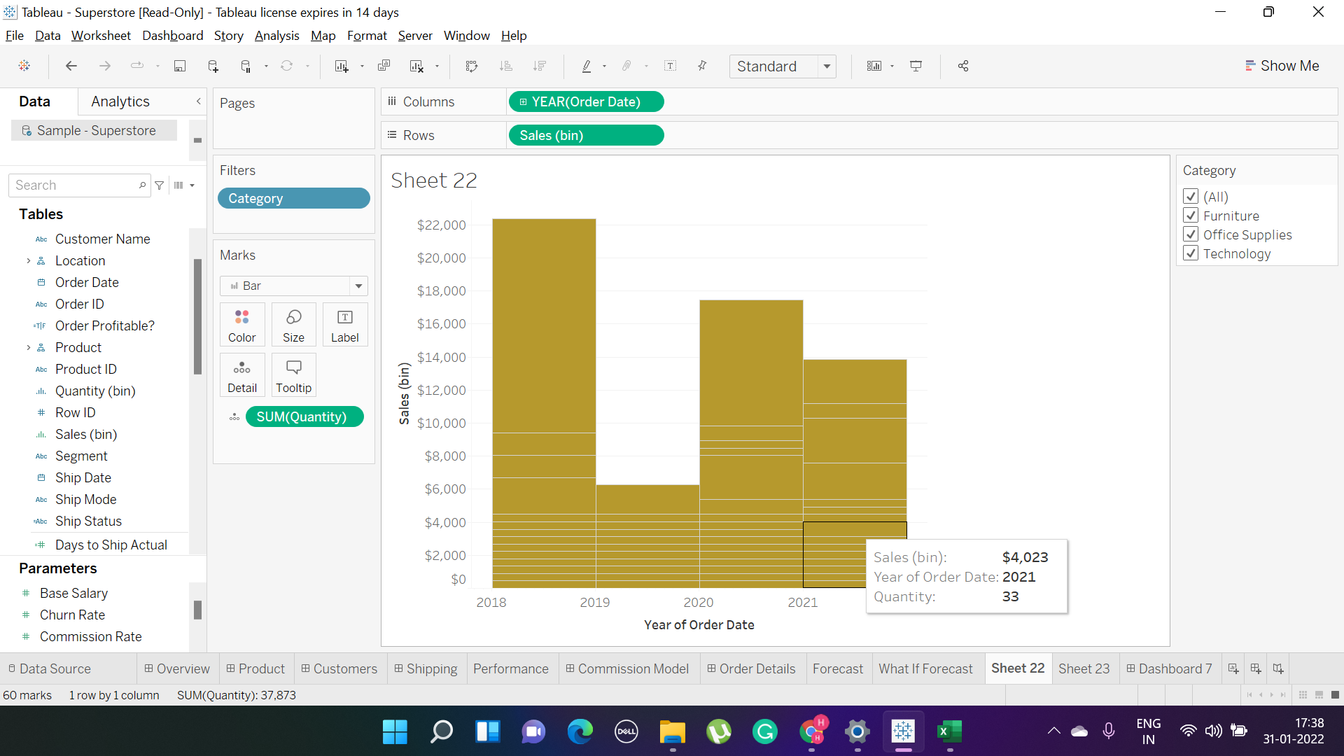
1

2

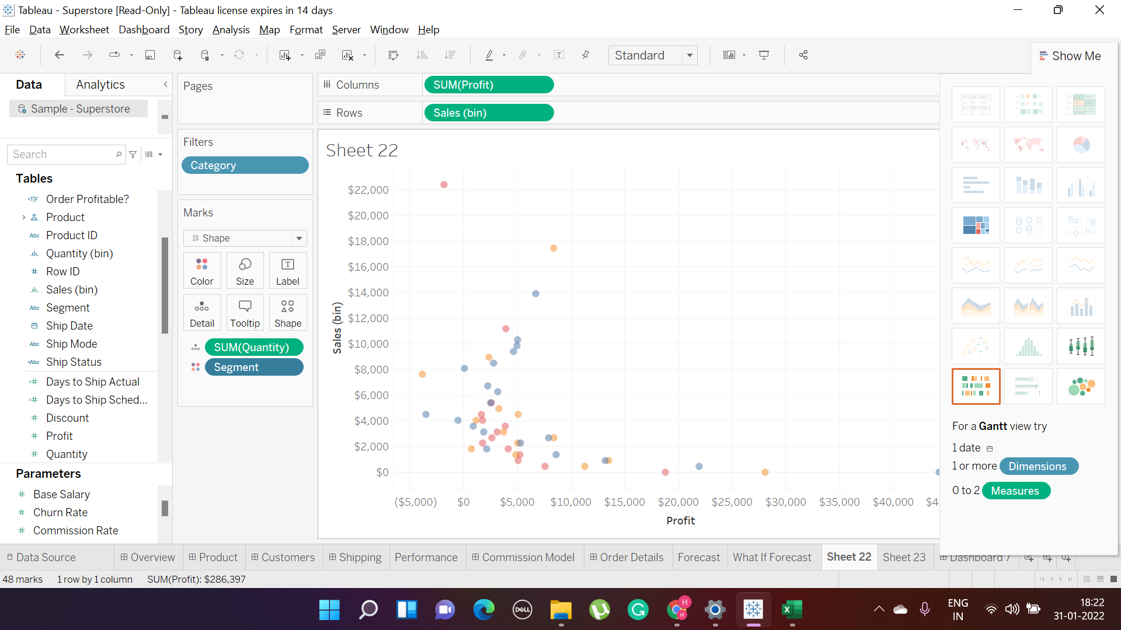

 |  |  |  |  |  | Colour on the basis of segement

 | 3
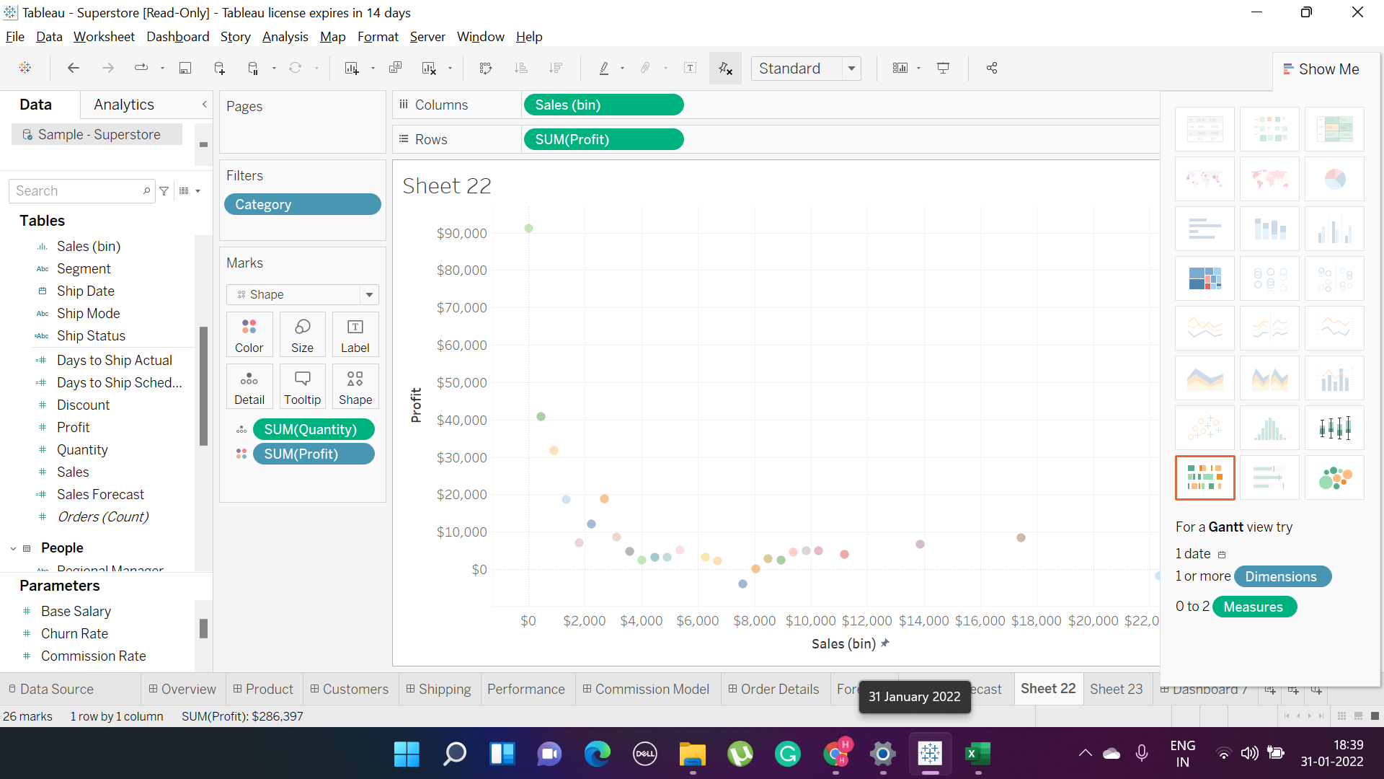

 |  |  | Profit Shape diagram

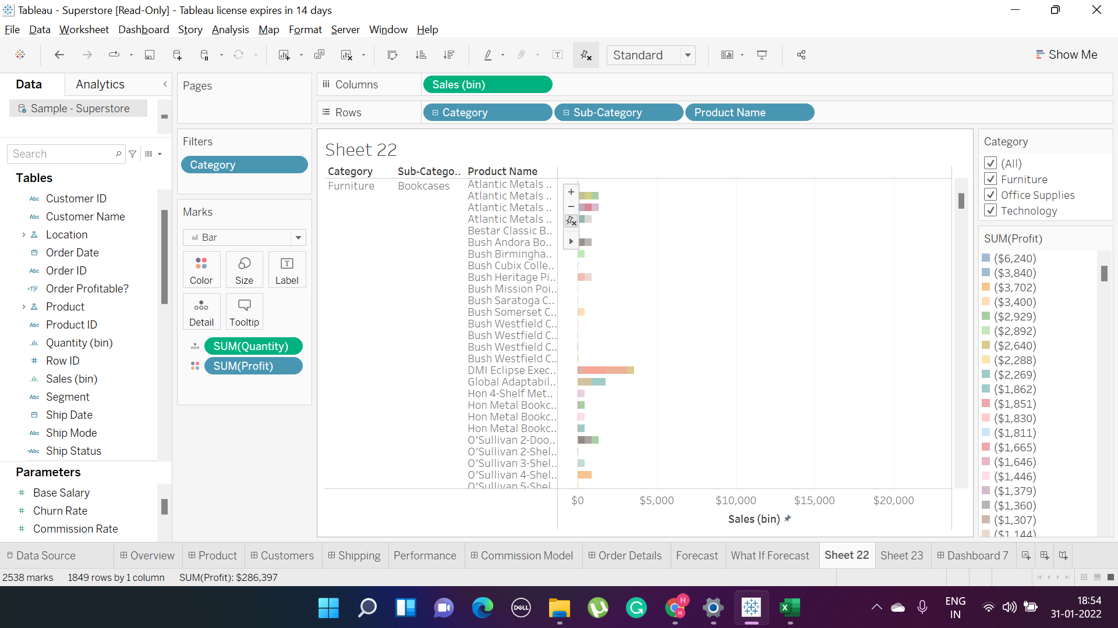
 | 4

 |  |  |  | On the basis of total sales

 |  | 5
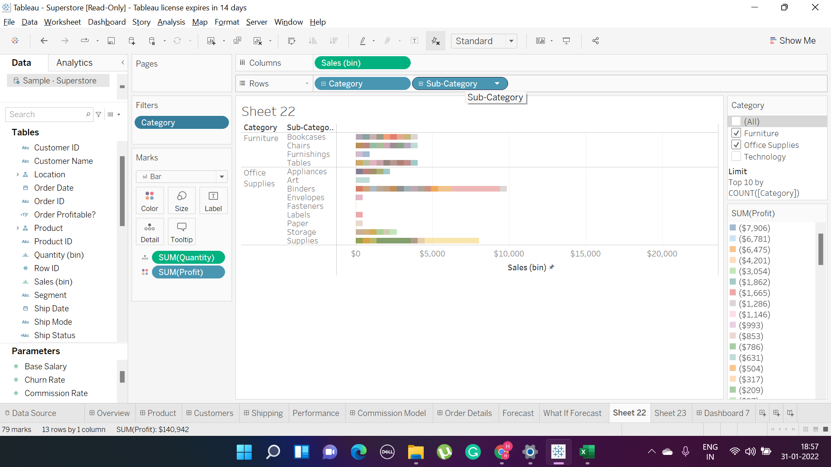

 |  |  |  |  | Filtering of the data

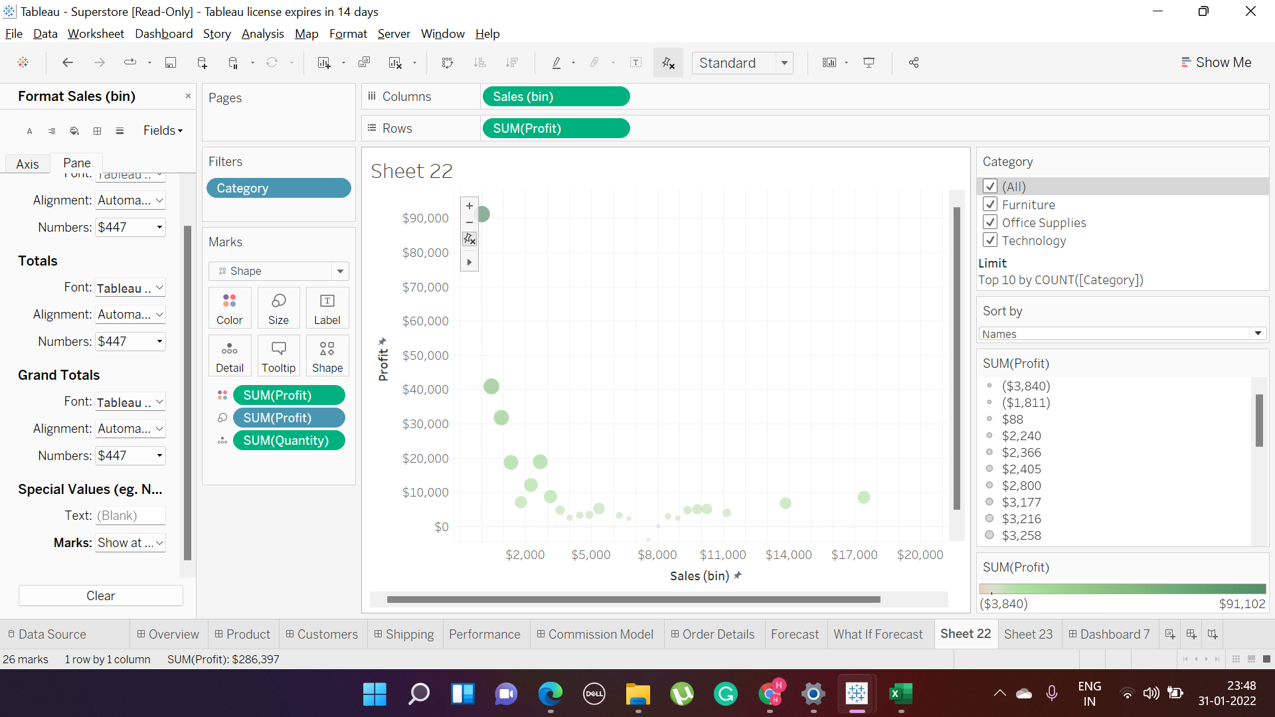
 |  | 6

 |  |  |  |  | Sales in Comparison against the profit

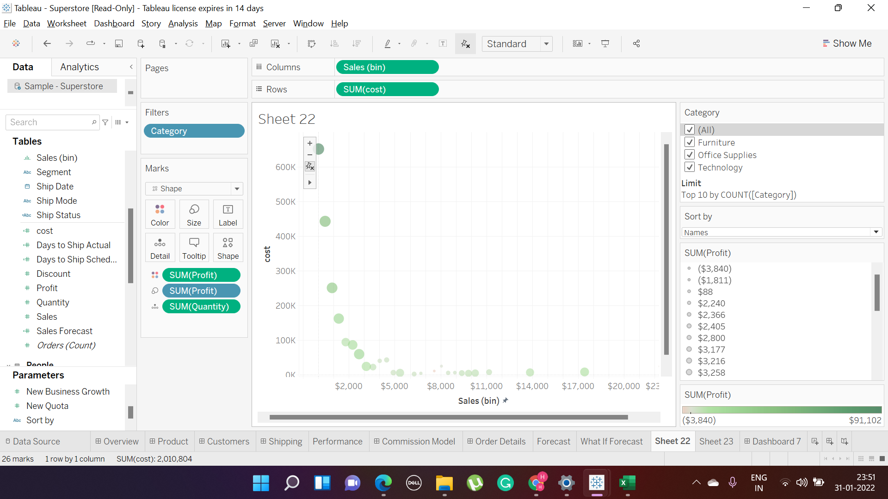
 |  | 7

 |  |  |  |  | Overall Sales Vs Cost both are inclining

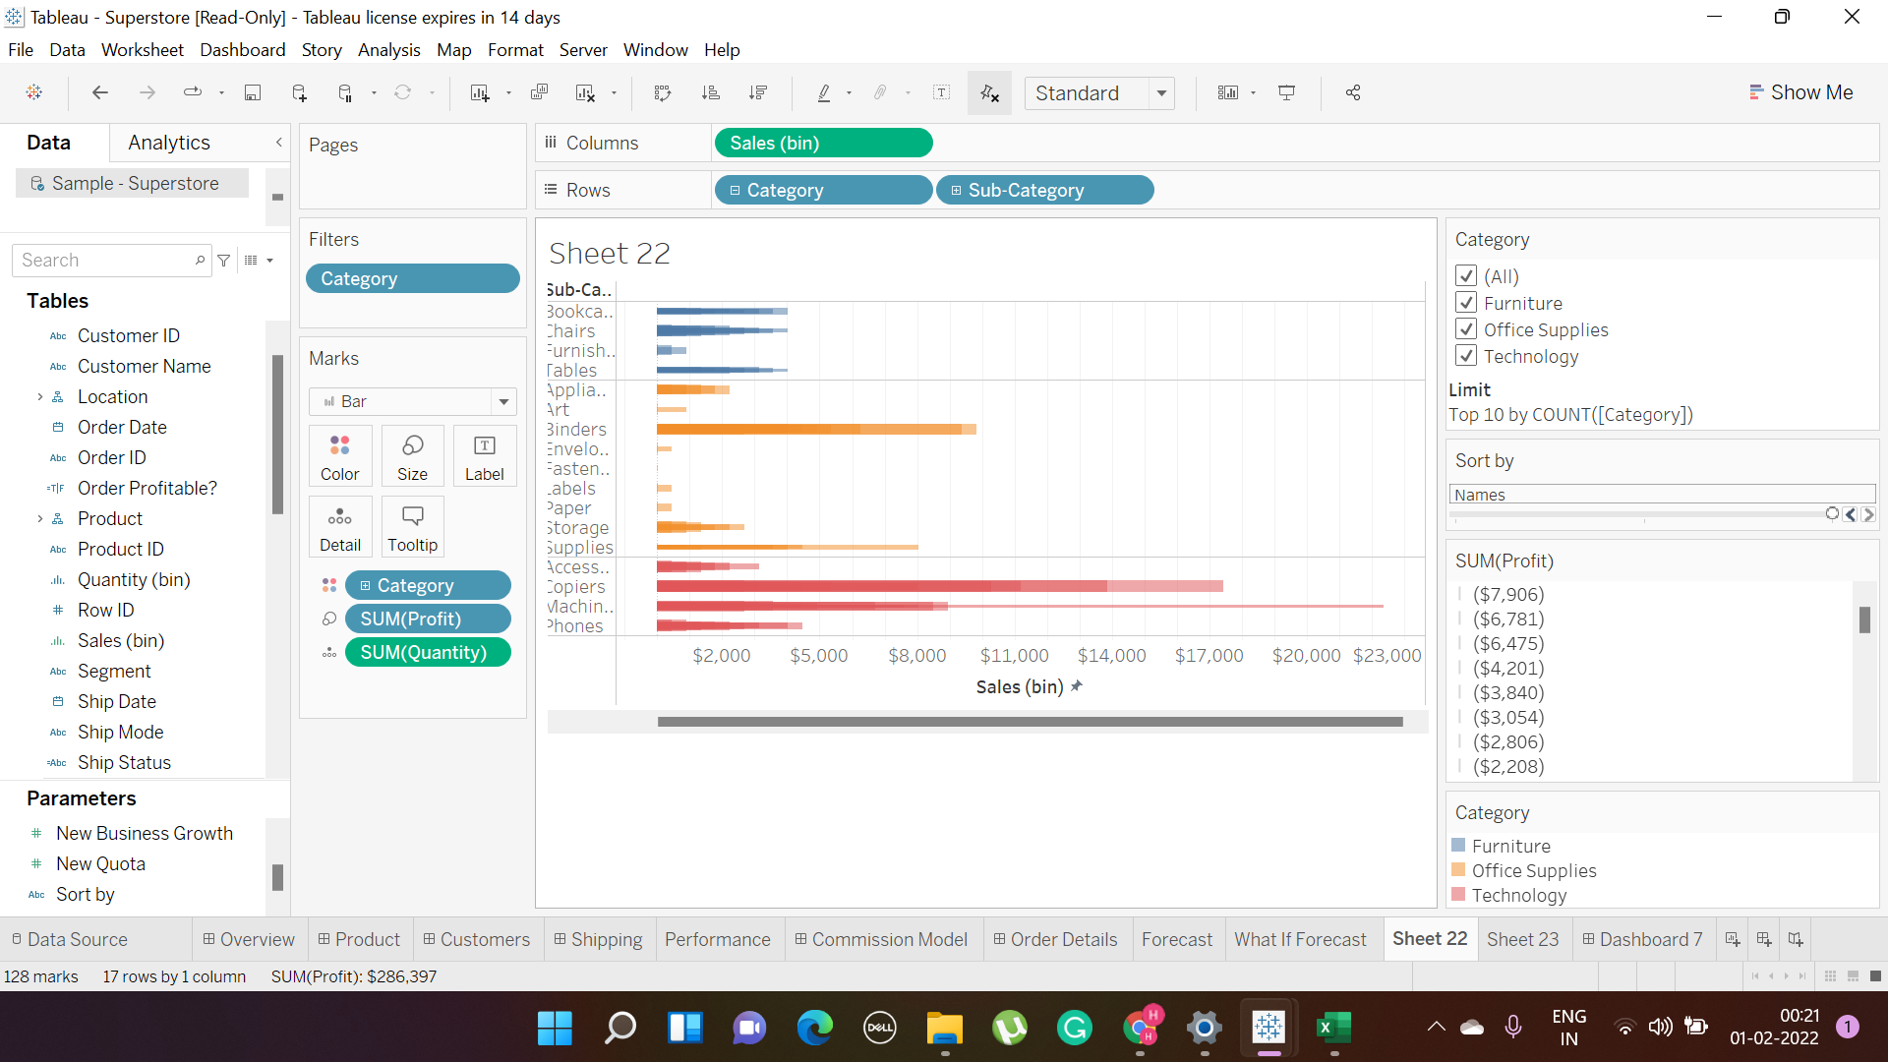
 |  | 8

 |  |  |  |  | Filter and Data Visualization of all the category shown in different colour .

 |  | 9

